Schedules
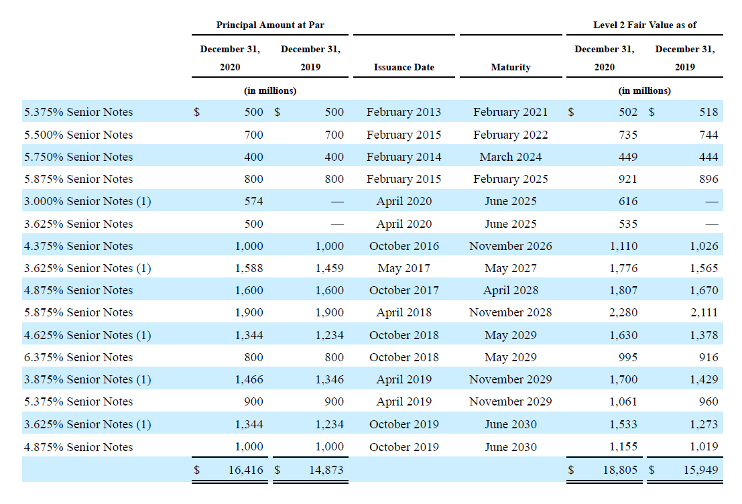
PP&E

(in thousands) | 2018 Act | 2019 Act | 2020 Act | 2021 forcasted | 2022 forcasted | 2023 forcasted | 2024 forcasted
Beginning Balance |  | 418,281 | 565,221 | 960,183 | 1,284,140 | 1,580,571 | 1,855,678
add: Capex |  | 250,519 | 510,672 | 510,672 | 510,672 | 510,672 | 510,672
less: Depreciation | 83,157 | 103,579 | 115,710 | 186,715 | 214,240.79 | 235,565 | 252,342
Closing Balance | 418,281 | 565,221 | 960,183 | 1,284,140 | 1,580,571 | 1,855,678 | 2,114,008

Useful life |  | 6 | 9 | 7.9 | 8.4 | 8.9 | 9.4

Content Assets
(in thousands) | 2018 Act | 2019 Act | 2020 Act | 2021 forcasted | 2022 forcasted | 2023 forcasted | 2024 forcasted
Beginning Balance |  | 14,951,141 | 24,504,567 | 25,383,950 | 26,490,395 | 27,281,060 | 27,846,069
add: Addition to Content Assets |  | 18,769,673 | 11,686,295 | 11,686,295 | 11,686,295 | 11,686,295 | 11,686,295
less: Amortisation of Content Assets |  | 9,216,247 | 10,806,912 | 10,579,850 | 10,895,630 | 11,121,286 | 11,282,539
Closing Balance | 14,951,141 | 24,504,567 | 25,383,950 | 26,490,395 | 27,281,060 | 27,846,069 | 28,249,825

Useful life |  | 3.7 | 3.3 | 3.5 | 3.5 | 3.5 | 3.5

Debt Schedule
Beginning Balance of Debt |  | 10,360,058 | 14,759,260 | 15,809,095 | 15,309,095 | 14,609,095 | 14,609,095
add/less: Debt Taken /(debt repaid) |  | 4,399,202 | 1,049,835 | (500,000) | (700,000) | - | (400,000)
Closing Balance | 10,360,058 | 14,759,260 | 15,809,095 | 15,309,095 | 14,609,095 | 14,609,095 | 14,209,095

Interest Expense | (420,493) | (626,023) | (767,499) | (696,285) | (664,448) | (664,448) | (646,255)
 | -4.1% | -4.2% | -4.9% | -4.5% | -4.5% | -4.5% | -4.5%

WACC
WACC

Risk free Rate | 1.67%
Market Risk Premium | 5.50%
Beta | 1.058

(in thousands) | Amount

Cost of Equity | 7.27% | RiskfreeRate*beta + Market Risk Premium
Cost Debt | 4.88%

Equity | 25,722,431.27
Debt | 14,209,095.00 |  | WACC= (COST OF EQUITY*[Eq./Eq.+Debt])+(COST OF DEBT*[DEBT/Eq.+DEBT])
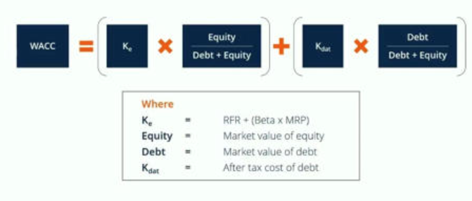
Equity/(Equity+Debt) | 64%
Debt/(Equity+Debt) | 36%

WACC | 6.42%

DCF
DCF Analysis

(in thousands) | 2021 forcasted | 2022 forcasted | 2023 forcasted | 2024 forcasted
UFCF | 2,041,907.63 | 3,126,151.57 | 3,918,570.18 | 4,660,959.21
Discounting Factor | 0.93971053205 | 0.88305588404 | 0.82981691462 | 0.77978769434
No of Years | 1 | 2 | 3 | 4
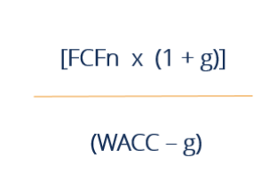
PV of UFCF | 1,918,802.11 | 2,760,566.54 | 3,251,695.81 | 3,634,558.64

Sum of PV | 11,565,623.09

Terminal Value | 99,853,518.39
PV of Terminal value | 77,864,544.87

Enterprise Value | 89,430,167.97
Debt | 14,209,095
Cash | 18,047,392
Equity Value | 93,268,465.37

